Driver
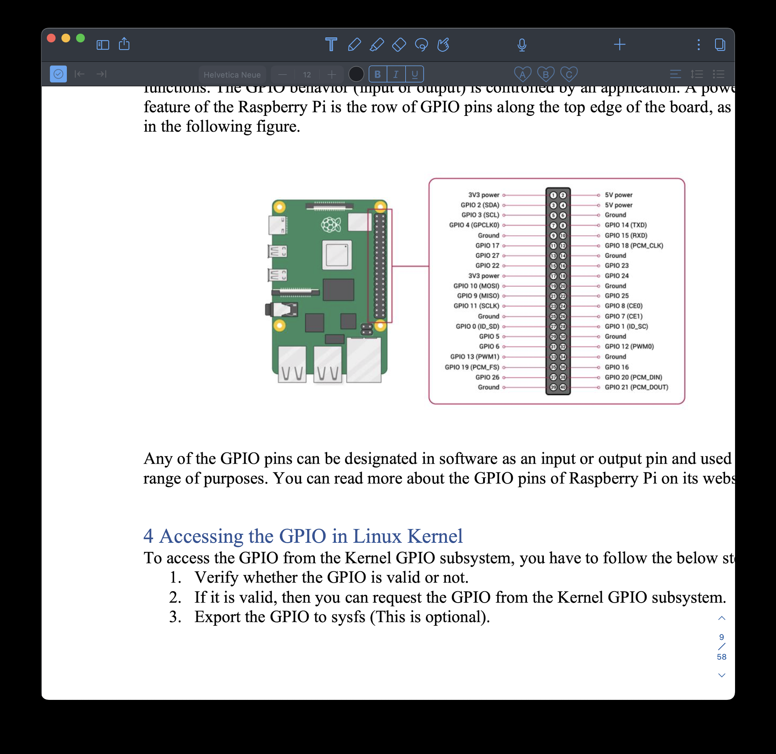
func/component | LCD(wiringpi lib) | LED(GPIO_21) | BUZZER(GPIO_20) | BUTTON(GPIO_16) | CAMERA (python interface)
func_trunon(read) |  |  |  | read(file,"btn",0) read(file,"btn_ret_buf",strlen(ret_size))
func_trunon(write) | write(file,"lcd_word",strlen(word)) | write(file,"led_1",strlen(1)) | write(file,"buz_1",strlen(1)) | write(file,"btn_1",strlen(1)) | write(file,"cam_1",strlen(1))
func_trunoff(read) |  |  |  | read(file,"btn",0) read(file,"btn_ret_buf",strlen(ret_size))
func_trunoff(write) | write(file,"lcd_0",strlen("0")) | write(file,"led_0",strlen(0)) | write(file,"buz_0",strlen(0)) | write(file,"btn_0",strlen(0)) | write(file,"cam_0",strlen(1))
func_open | open("/dev/eos7_driver", O_RDWR)

